Q1
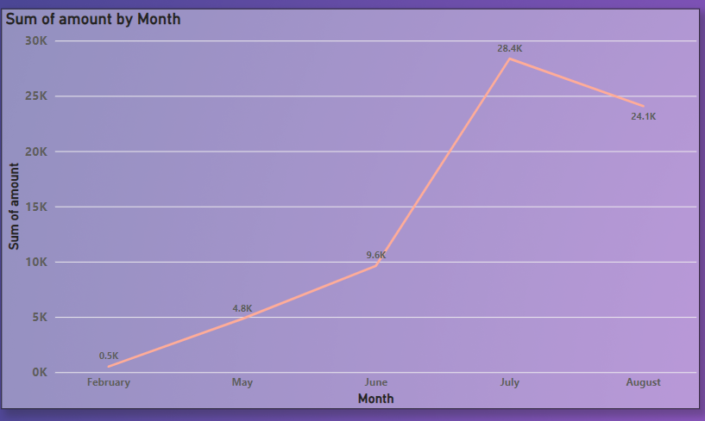
1. How does the sales revenue vary by month?

Q4
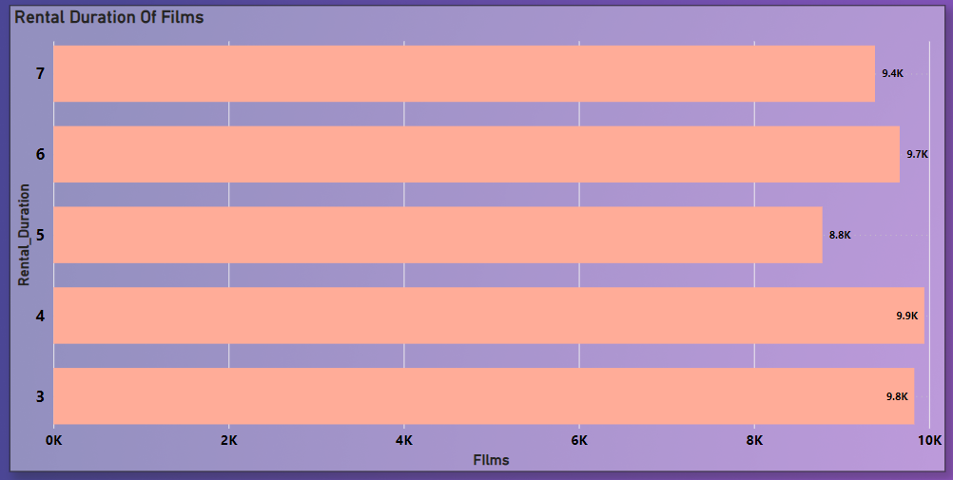
4. What is the distribution of films by rental duration?

Q5
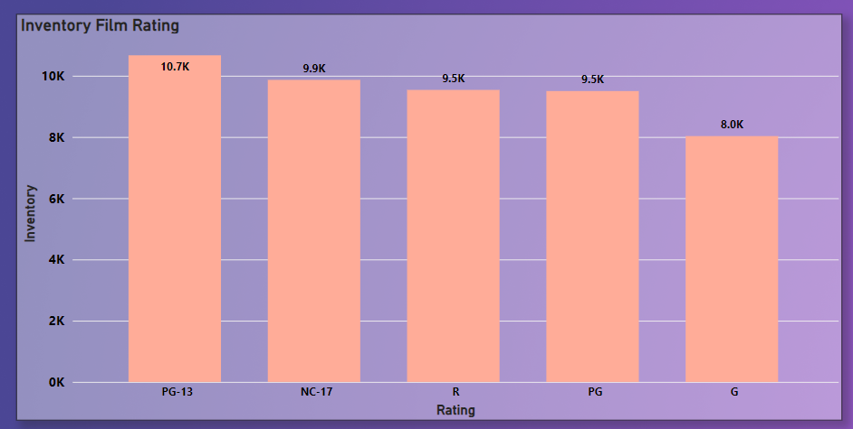
5. How does the inventory vary by film rating?
5. How does the inventory vary by film rating?

Q6
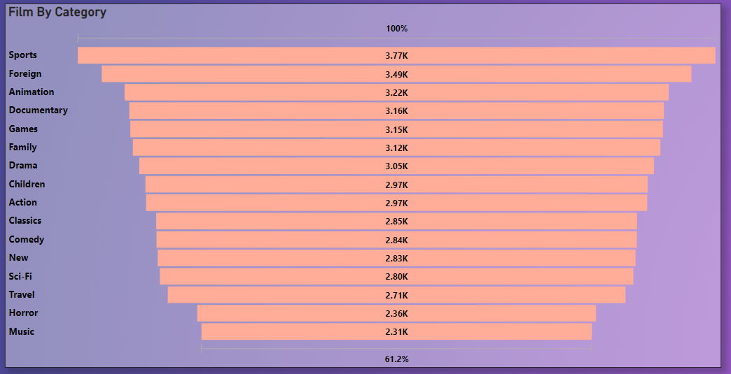
6. What is the breakdown of film categories in the inventory?

Q8
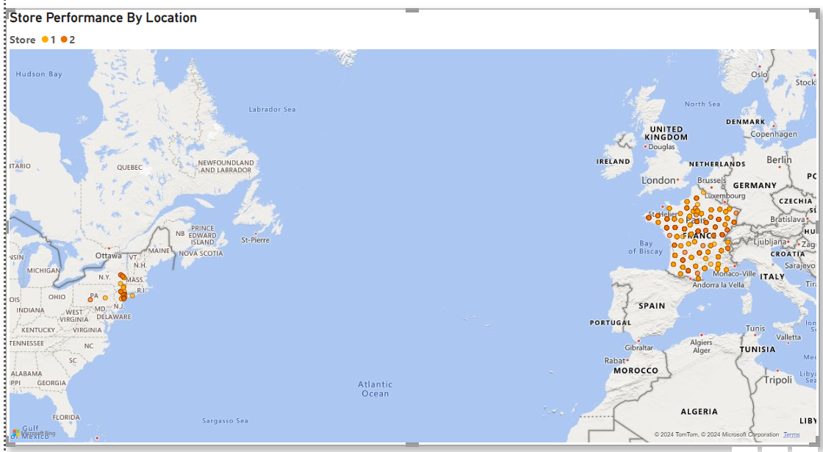
8. How does the store performance vary by location?

Q9
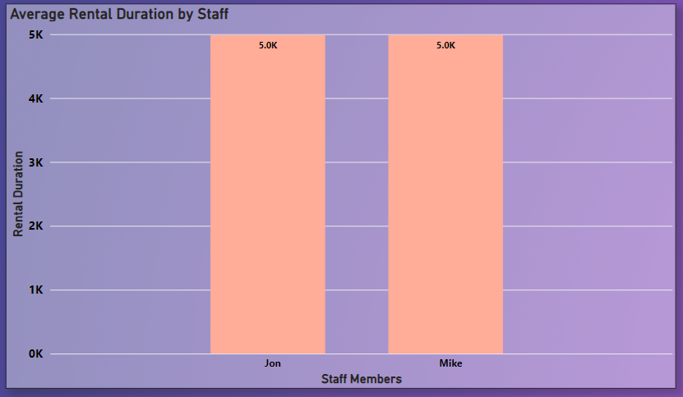
9. What is the average rental duration by staff member?

Q10
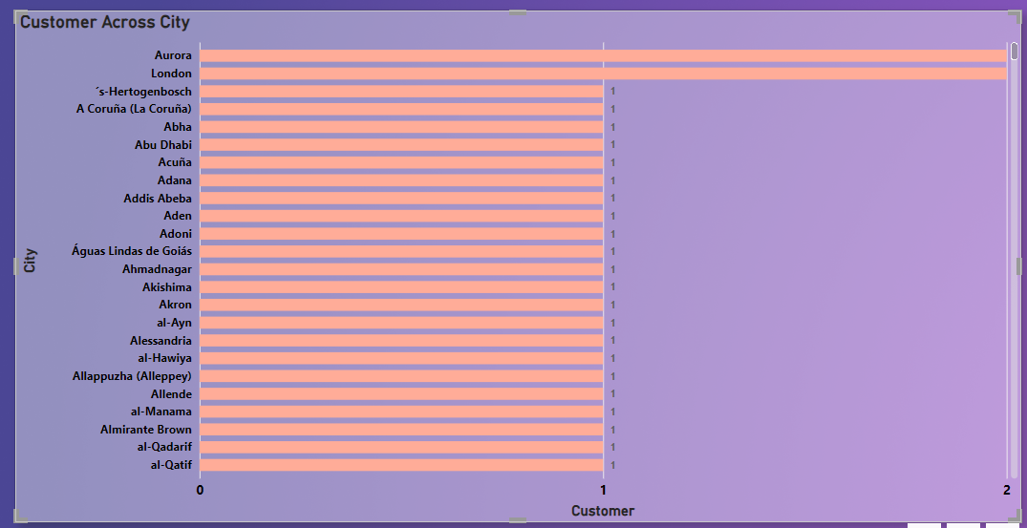
10. What is the distribution of customers across different cities?

Q11
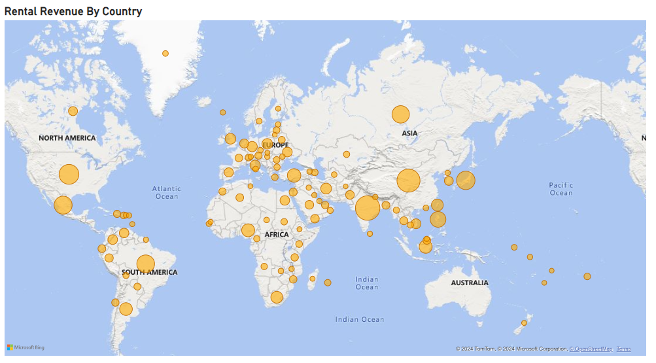
11. How does the rental revenue vary by country?

Q12
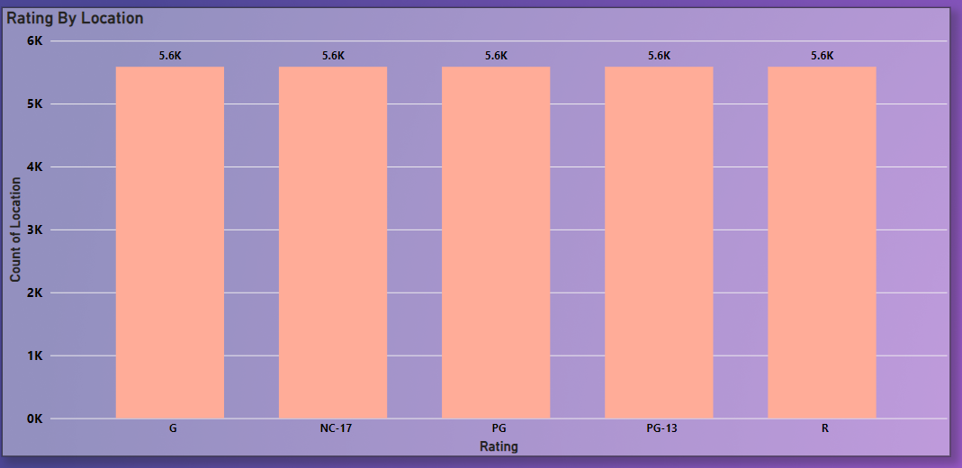
12. Which locations have the highest and lowest customer ratings?

Q13
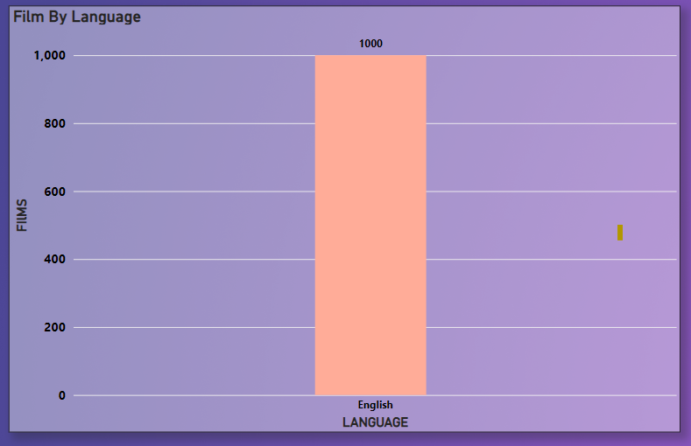
13. What is the distribution of films by language?

Q14
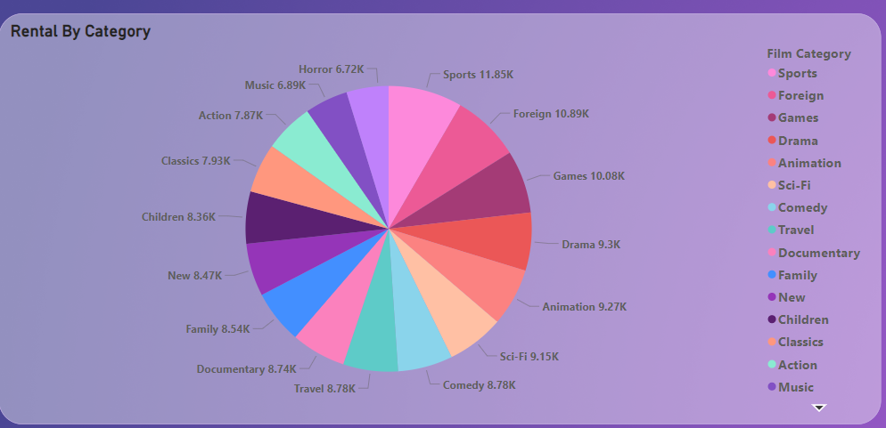
14. Which film categories have the highest rental rates?

Q15
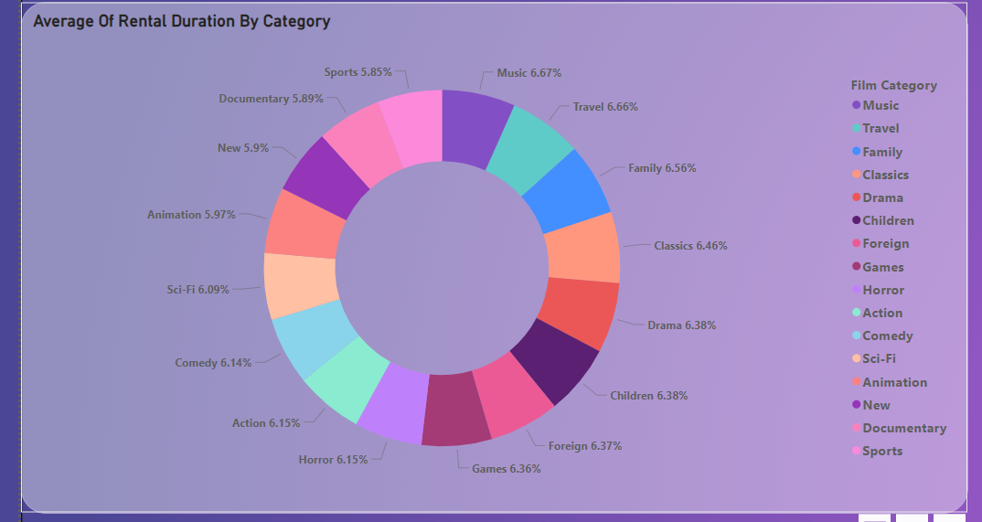
15. How does the average rental duration vary by film category?

Q16
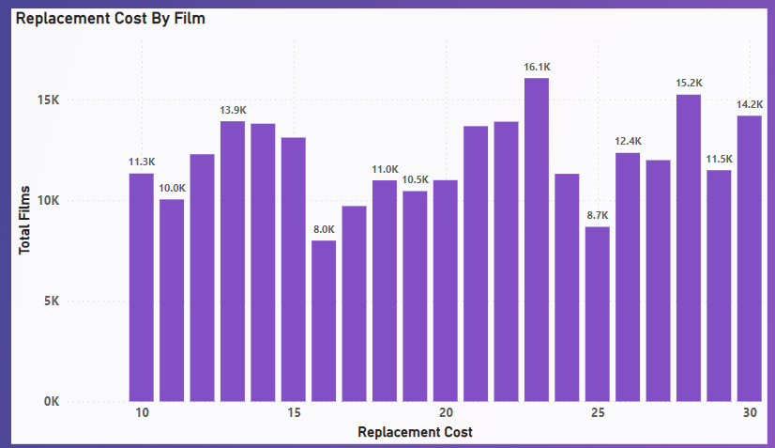
16. What is replacement cost by film ?

Q17
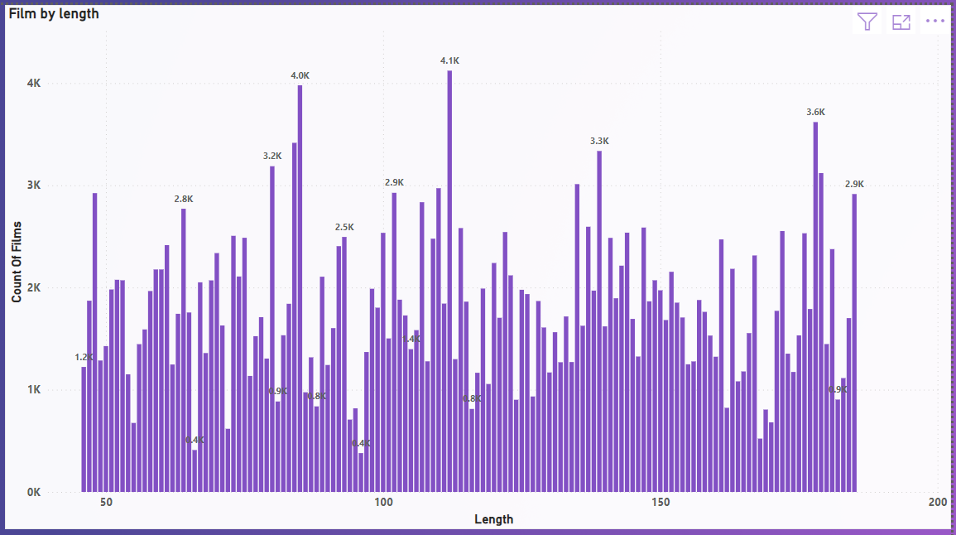
17. What is the distribution of films by length ?

Q18
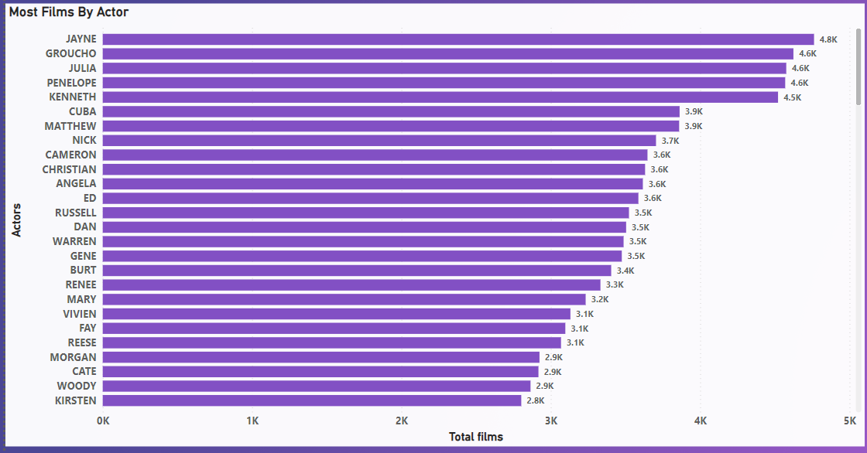
17. Most Films done by an actor ?

Q19
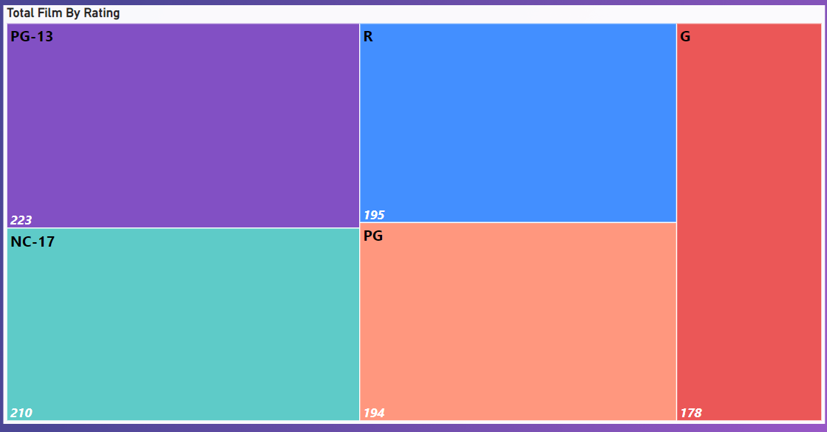
17. Total Films by rating ?

